Blad1
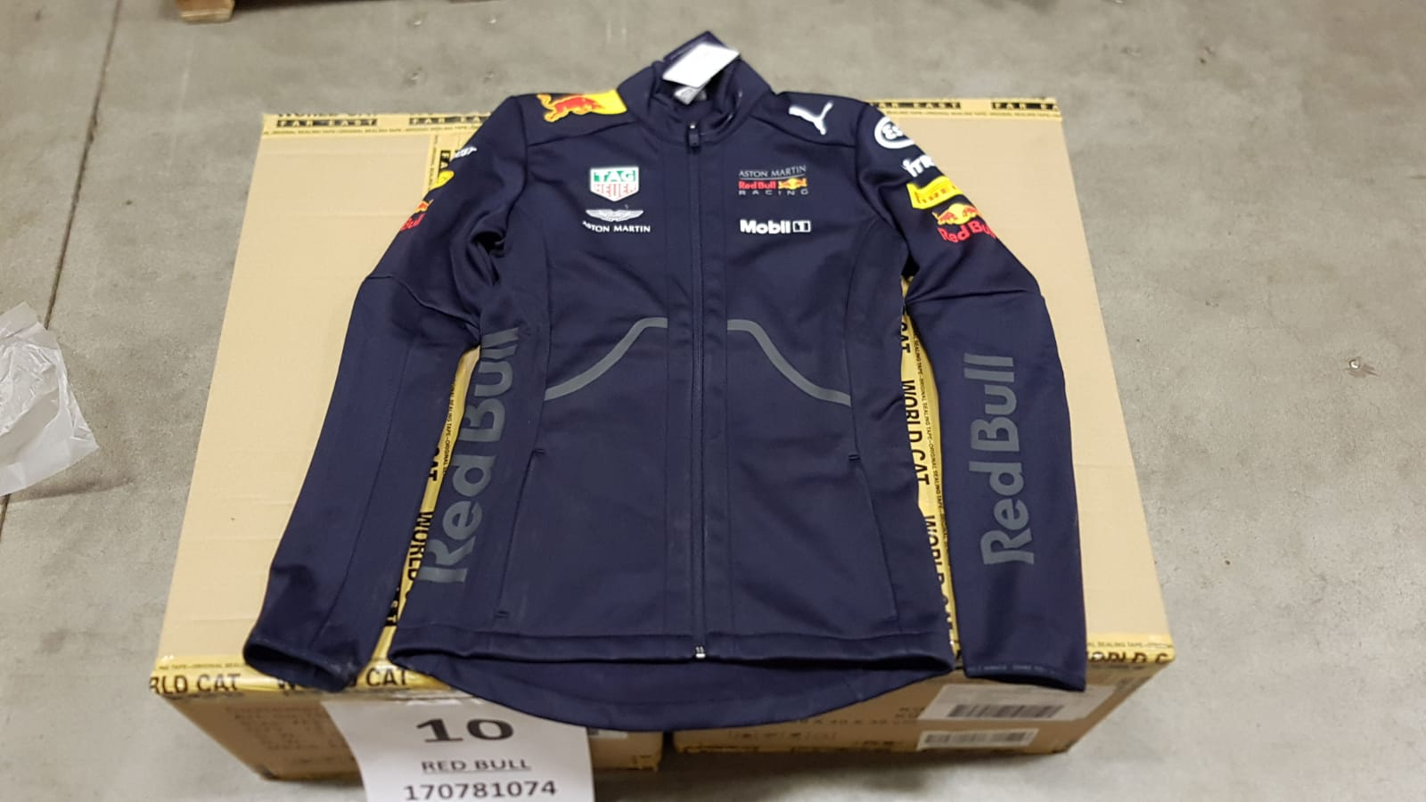
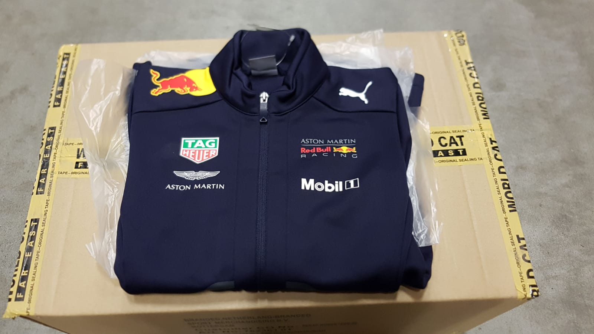
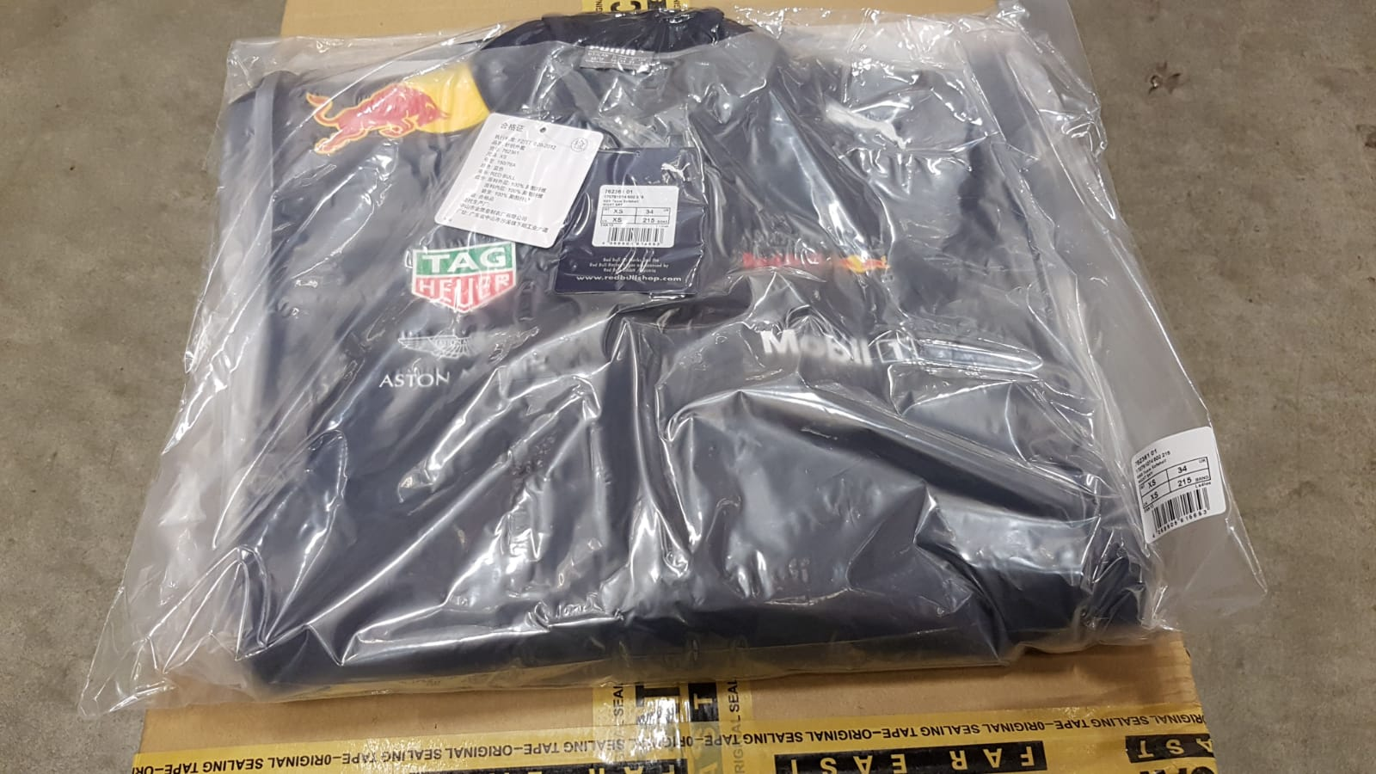
 |  | RED BULL IN STOCK!

Photo | Article | Model | XXS | XS | S | Total | RRP/UVP | Per carton
 | 170781074-502 | Red Bull Rp Wms Team Soft Shell Jacket Navy | 82 | 142 | 13 | 237 | € 140.00 | 18
 |  |  |  |  |  | 237

